Sheet3
http://coachx.in/Partner/Signup.aspx
Basic Info
 | CHANGE | heading to Basic Information
 | LOGIC | Year of Incorporation | (it should not select number greater than 2020 right now)
 | CHANGE | No of Employees | Options should be | 1-9 | 10-49 | 50-99 | 100-499 | 500-999 | 1000+ | not very important, ignore if it is too much work
 | MISSING | Clients Primarily from | currently is not mandatory to fill, it should be
 |  | (same for others)
Other Details
 | CHANGE | About Your Company (this is visible to customer)
 | LOGIC | in above, it is currently taking even more than 200 words

Talent/Skills Offered
 | CHANGE | "Many Clients …...." should come first
 | CHANGE | in above statement, text should not be black or bold - the way it currently appearing
 | KEEP | the check box below this statement
 | ADD | below this checkbox
 |  | "Some of the Top Technologies & Skills that we work on"
 | KEEP | the technologies waala dialogue box

Other Services
 | REMOVE | this page from here & put it in profile

Trial Offer
 | CHANGE | details provided below to change to above

Bank Account Details
 | CHANGE | Bank Account holder's name
 | ADD | watermark - This should match the name of the Account holder in the bank documents
 | ADD for LATER | Please upload relevant proof for ownership of this account
 | ADD for LATER | Proof being being submitted
 |  | Cheque book, Passbook, Bank Attestation, Any other

Alternate Contact
 | REMOVE FROM main - Add to Profile for updation later

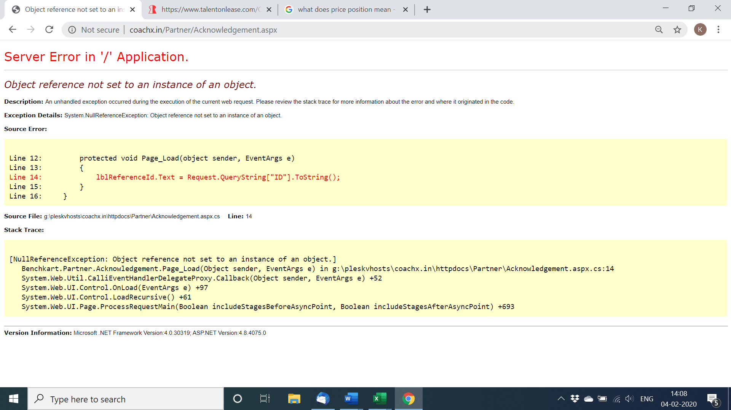
 | LOGIC | Alternate Person's details should be different from original
 | ERROR

Sheet5
S NO | Defect Description | Current result | Expected result | Steps to reproduce | Reported By | Report Date | Defect/Enhancement | Fixed By | Status | Fixed Date
1 | Signup | email already exists |  |  | KK | 2020-02-15 | Defect
2 | Signup | no email verification |  |  | KK | 2020-02-15 | Defect
3 | Sign in | not able to sign in |  |  | KK | 2020-02-15 | Defect
4 | Wrong company name | Benchkart Service Pvt Ltd | Benchkart Services Pvt Ltd | site wide in footer | KK | 2020-02-15 | Defect
5 | wrong logo | older logo | newer logo |  | KK | 2020-02-15 | Defect
6 | band colour | different from landing page | same as landing page |  | KK | 2020-02-15 | Defect
7 | Wrong Grammar | email id already exist! Please log in | Email id already exists! Please sign in |  | KK | 2020-02-15 | Defect
8 | Error 404 | 404 on clicking logo | should direct to homepage | page 1 click on logo | KK | 2020-02-15 | Defect
9 | English | http://coachx.in/Customer/Post_Project.aspx?id=72 | Let's start |  | KK | 2020-02-15 | Defect
10 | no phone no asked for | http://coachx.in/Customer/Post_Project.aspx?id=72 | ask for phone no |  | KK | 2020-02-15 | Defect
11 | English | http://coachx.in/Customer/Post_Project.aspx?id=72 | Basic Information |  | KK | 2020-02-15 | Defect
12 | No Space for Project Description | http://coachx.in/Customer/Post_Project.aspx?id=72 | Need to be able to see 5-6 lines + |  | KK | 2020-02-15 | Defect
13 | Format not good | http://coachx.in/Customer/Contactus.aspx | more spacebetween lines + alignment to improve |  | KK | 2020-02-15 | Enhance
14 | English |  | Thank You for posting your requirment! | Yes, I'm OK to be contacted over phone | No, I prefer to be contacted over email only | Preferred time to call
15 | old dates showing up | http://coachx.in/Customer/Contactus.aspx | Calendar cache needs to be clean |  | KK | 2020-02-15 | Defect
16 | English | http://coachx.in/Customer/SetPassword.aspx | Confirmation password does not match. Please retry | enter wrong password | KK | 2020-02-15 | Defect
17 | website message | email id wrong | should be right | 9b@gmail.com | KK | 2020-02-15 | Defect
18 | Format not good | http://coachx.in/Customer/Post_Talent.aspx | clean | remove wordings on top |Change type of Flexi talent to Type of Talent| Add content for Part Time & Full Time as hints | Part Time : Remote working only regardless of length of engagement | Full Time : On-site or Remote; better availability of remote talent |  | KK | 2020-02-15 | enhance
19 | Format not good | please see basic details page | Can category & Sub-Category go side by side? Because we need space for Project Description so that I can see atleast 5-6 lines |  | KK | 2020-02-15 | enhance
20 | no hint on skills | skills can be written without hints | hint should be same as in partner page |  | KK | 2020-02-15 | Defect
21 | spelling | Loaction | Location |  | KK | 2020-02-15 | Defect
22 | No State & City API | only text box | need API |  | KK | 2020-02-15 | Enhance
23 | formatting is an issue everywhere; the word flexi or flexi talent has to be replaced with Talent everywhere |  |  |  | KK | 2020-02-15 | Defect
24 | Planning to start options | immediately, within 30 days, >30 days | Planning to start (NO "in") | options : immediate, within 30 days, > 30 days |  | KK | 2020-02-15 | Defect
25 | http://coachx.in/Customer/Dashboard.aspx# | 3 duplicate projects | 1 project | login with partnership@benchkart.com, password a | KK | 2020-02-15 | Defect
26 | http://coachx.in/Customer/Dashboard.aspx# | Error |  | when we "View Details" of Projects | KK | 2020-02-15 | Defect
27 | http://coachx.in/Customer/Dashboard.aspx# | Message Query |  | when we press ? Icon on top | KK | 2020-02-15 | Defect
28 | http://coachx.in/Customer/Dashboard.aspx# | Error |  | when we press bell icon on top | KK | 2020-02-15 | Defect
29 | http://coachx.in/Customer/Dashboard.aspx# | blank page with headers | There are currently no messages to display | 1. when we press message icon on top 2. When we go to inbox 3. when we go to sent | KK | 2020-02-15 | Defect |  | VIDEO50
30 | http://coachx.in/Customer/Dashboard.aspx# | Words written in capitals; format different from rest of website |  | when we visit Profile of the customer | KK | 2020-02-15 | Defect
31 | http://coachx.in/Customer/Dashboard.aspx# | Currently there are no bids | There are currently no Proposals to display | when we go to proposals | KK | 2020-02-15 | Defect
32 |  | Eamil Sent otp Successfully send | Email sent successfully |  | KK | 2020-02-18 | Defect
33 |  | No Match | Passwords don’t match |  | KK | 2020-02-18 | Defect
34 | picture enclosed |  | ----> |  | KK | 2020-02-18 | Defect
 |  |  |  |  | KK | 2020-02-18 | Defect
 |  |  |  |  | KK | 2020-02-18 | Defect
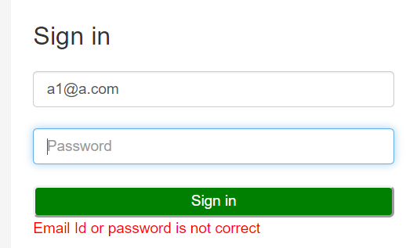
35 | picture enclosed | a) no step given to recover password, if forgotten | step required to reset password |  | KK | 2020-02-18 | Defect
 |  | b) no step given to recover email, if forgotten | step required to reset email |  | KK | 2020-02-18 | Defect
 |  |  | ----> |  | KK | 2020-02-18 | Defect
 |  |  |  |  | KK | 2020-02-18 | Defect
 |  |  |  |  | KK | 2020-02-15 | Defect
42 |  |  |  |  | KK | 2020-02-15 | Defect
43 |  |  |  |  | KK | 2020-02-15 | Defect
44 |  |  |  |  | KK | 2020-02-15 | Defect
45 |  |  |  |  | KK | 2020-02-15 | Defect
46 |  |  |  |  | KK | 2020-02-15 | Defect
47 |  |  |  |  | KK | 2020-02-15 | Defect
48 |  |  |  |  | KK | 2020-02-15 | Defect
49 |  |  |  |  | KK | 2020-02-15 | Defect
50 |  |  |  |  | KK | 2020-02-15 | Defect
51 |  |  |  |  | KK | 2020-02-15 | Defect
52 |  |  |  |  | KK | 2020-02-15 | Defect
53 |  |  |  |  | KK | 2020-02-15 | Defect
54 |  |  |  |  | KK | 2020-02-15 | Defect
55 |  |  |  |  | KK | 2020-02-15 | Defect
56 |  |  |  |  | KK | 2020-02-15 | Defect
57 |  |  |  |  | KK | 2020-02-15 | Defect
58 |  |  |  |  | KK | 2020-02-15 | Defect
59 |  |  |  |  | KK | 2020-02-15 | Defect
60 |  |  |  |  | KK | 2020-02-15 | Defect
61 |  |  |  |  | KK | 2020-02-15 | Defect
62 |  |  |  |  | KK | 2020-02-15 | Defect
63 |  |  |  |  | KK | 2020-02-15 | Defect
64 |  |  |  |  | KK | 2020-02-15 | Defect
65 |  |  |  |  | KK | 2020-02-15 | Defect
66 |  |  |  |  | KK | 2020-02-15 | Defect
67 |  |  |  |  | KK | 2020-02-15 | Defect
68 |  |  |  |  | KK | 2020-02-15 | Defect
69 |  |  |  |  | KK | 2020-02-15 | Defect
70 |  |  |  |  | KK | 2020-02-15 | Defect
71 |  |  |  |  | KK | 2020-02-15 | Defect
72 |  |  |  |  | KK | 2020-02-15 | Defect
73 |  |  |  |  | KK | 2020-02-15 | Defect
74 |  |  |  |  | KK | 2020-02-15 | Defect
75 |  |  |  |  | KK | 2020-02-15 | Defect
76 |  |  |  |  | KK | 2020-02-15 | Defect
77 |  |  |  |  | KK | 2020-02-15 | Defect
78 |  |  |  |  | KK | 2020-02-15 | Defect
79 |  |  |  |  | KK | 2020-02-15 | Defect
80 |  |  |  |  | KK | 2020-02-15 | Defect
81 |  |  |  |  | KK | 2020-02-15 | Defect
82 |  |  |  |  | KK | 2020-02-15 | Defect
83 |  |  |  |  | KK | 2020-02-15 | Defect
84 |  |  |  |  | KK | 2020-02-15 | Defect
85 |  |  |  |  | KK | 2020-02-15 | Defect
86 |  |  |  |  | KK | 2020-02-15 | Defect
87 |  |  |  |  | KK | 2020-02-15 | Defect
88 |  |  |  |  | KK | 2020-02-15 | Defect
89 |  |  |  |  | KK | 2020-02-15 | Defect
90 |  |  |  |  | KK | 2020-02-15 | Defect
91 |  |  |  |  | KK | 2020-02-15 | Defect
92 |  |  |  |  | KK | 2020-02-15 | Defect
93 |  |  |  |  | KK | 2020-02-15 | Defect
94 |  |  |  |  | KK | 2020-02-15 | Defect
95 |  |  |  |  | KK | 2020-02-15 | Defect
96 |  |  |  |  | KK | 2020-02-15 | Defect
97 |  |  |  |  | KK | 2020-02-15 | Defect
98 |  |  |  |  | KK | 2020-02-15 | Defect
99 |  |  |  |  | KK | 2020-02-15 | Defect
100 |  |  |  |  | KK | 2020-02-15 | Defect
101 |  |  |  |  | KK | 2020-02-15 | Defect
102 |  |  |  |  | KK | 2020-02-15 | Defect
103 |  |  |  |  | KK | 2020-02-15 | Defect
104 |  |  |  |  | KK | 2020-02-15 | Defect
105 |  |  |  |  | KK | 2020-02-15 | Defect
106 |  |  |  |  | KK | 2020-02-15 | Defect
107 |  |  |  |  | KK | 2020-02-15 | Defect
108 |  |  |  |  | KK | 2020-02-15 | Defect
109 |  |  |  |  | KK | 2020-02-15 | Defect
110 |  |  |  |  | KK | 2020-02-15 | Defect
111 |  |  |  |  | KK | 2020-02-15 | Defect
112 |  |  |  |  | KK | 2020-02-15 | Defect
113 |  |  |  |  | KK | 2020-02-15 | Defect
114 |  |  |  |  | KK | 2020-02-15 | Defect
115 |  |  |  |  | KK | 2020-02-15 | Defect
116 |  |  |  |  | KK | 2020-02-15 | Defect
117 |  |  |  |  | KK | 2020-02-15 | Defect
118 |  |  |  |  | KK | 2020-02-15 | Defect
119 |  |  |  |  | KK | 2020-02-15 | Defect
120 |  |  |  |  | KK | 2020-02-15 | Defect
121 |  |  |  |  | KK | 2020-02-15 | Defect
122 |  |  |  |  | KK | 2020-02-15 | Defect
123 |  |  |  |  | KK | 2020-02-15 | Defect
124 |  |  |  |  | KK | 2020-02-15 | Defect
125 |  |  |  |  | KK | 2020-02-15 | Defect
126 |  |  |  |  | KK | 2020-02-15 | Defect
127 |  |  |  |  | KK | 2020-02-15 | Defect
128 |  |  |  |  | KK | 2020-02-15 | Defect
129 |  |  |  |  | KK | 2020-02-15 | Defect
130 |  |  |  |  | KK | 2020-02-15 | Defect
131 |  |  |  |  | KK | 2020-02-15 | Defect
132 |  |  |  |  | KK | 2020-02-15 | Defect
133 |  |  |  |  | KK | 2020-02-15 | Defect
134 |  |  |  |  | KK | 2020-02-15 | Defect
135 |  |  |  |  | KK | 2020-02-15 | Defect
136 |  |  |  |  | KK | 2020-02-15 | Defect
137 |  |  |  |  | KK | 2020-02-15 | Defect
138 |  |  |  |  | KK | 2020-02-15 | Defect
139 |  |  |  |  | KK | 2020-02-15 | Defect
140 |  |  |  |  | KK | 2020-02-15 | Defect
141 |  |  |  |  | KK | 2020-02-15 | Defect
142 |  |  |  |  | KK | 2020-02-15 | Defect
143 |  |  |  |  | KK | 2020-02-15 | Defect
144 |  |  |  |  | KK | 2020-02-15 | Defect
145 |  |  |  |  | KK | 2020-02-15 | Defect
146 |  |  |  |  | KK | 2020-02-15 | Defect
147 |  |  |  |  | KK | 2020-02-15 | Defect
148 |  |  |  |  | KK | 2020-02-15 | Defect
149 |  |  |  |  | KK | 2020-02-15 | Defect
150 |  |  |  |  | KK | 2020-02-15 | Defect
151 |  |  |  |  | KK | 2020-02-15 | Defect
152 |  |  |  |  | KK | 2020-02-15 | Defect
153 |  |  |  |  | KK | 2020-02-15 | Defect
154 |  |  |  |  | KK | 2020-02-15 | Defect
155 |  |  |  |  | KK | 2020-02-15 | Defect
156 |  |  |  |  | KK | 2020-02-15 | Defect
157 |  |  |  |  | KK | 2020-02-15 | Defect
158 |  |  |  |  | KK | 2020-02-15 | Defect
159 |  |  |  |  | KK | 2020-02-15 | Defect
160 |  |  |  |  | KK | 2020-02-15 | Defect
161 |  |  |  |  | KK | 2020-02-15 | Defect
162 |  |  |  |  | KK | 2020-02-15 | Defect
163 |  |  |  |  | KK | 2020-02-15 | Defect
164 |  |  |  |  | KK | 2020-02-15 | Defect
165 |  |  |  |  | KK | 2020-02-15 | Defect
166 |  |  |  |  | KK | 2020-02-15 | Defect
167 |  |  |  |  | KK | 2020-02-15 | Defect
168 |  |  |  |  | KK | 2020-02-15 | Defect
169 |  |  |  |  | KK | 2020-02-15 | Defect
170 |  |  |  |  | KK | 2020-02-15 | Defect
171 |  |  |  |  | KK | 2020-02-15 | Defect
172 |  |  |  |  | KK | 2020-02-15 | Defect
173 |  |  |  |  | KK | 2020-02-15 | Defect
174 |  |  |  |  | KK | 2020-02-15 | Defect
175 |  |  |  |  | KK | 2020-02-15 | Defect
176 |  |  |  |  | KK | 2020-02-15 | Defect
177 |  |  |  |  | KK | 2020-02-15 | Defect
178 |  |  |  |  | KK | 2020-02-15 | Defect
179 |  |  |  |  | KK | 2020-02-15 | Defect
180 |  |  |  |  | KK | 2020-02-15 | Defect
181 |  |  |  |  | KK | 2020-02-15 | Defect
182 |  |  |  |  | KK | 2020-02-15 | Defect
183 |  |  |  |  | KK | 2020-02-15 | Defect
184 |  |  |  |  | KK | 2020-02-15 | Defect
185 |  |  |  |  | KK | 2020-02-15 | Defect
186 |  |  |  |  | KK | 2020-02-15 | Defect
187 |  |  |  |  | KK | 2020-02-15 | Defect
188 |  |  |  |  | KK | 2020-02-15 | Defect
189 |  |  |  |  | KK | 2020-02-15 | Defect
190 |  |  |  |  | KK | 2020-02-15 | Defect
191 |  |  |  |  | KK | 2020-02-15 | Defect
192 |  |  |  |  | KK | 2020-02-15 | Defect
193 |  |  |  |  | KK | 2020-02-15 | Defect
194 |  |  |  |  | KK | 2020-02-15 | Defect
195 |  |  |  |  | KK | 2020-02-15 | Defect
196 |  |  |  |  | KK | 2020-02-15 | Defect
197 |  |  |  |  | KK | 2020-02-15 | Defect
198 |  |  |  |  | KK | 2020-02-15 | Defect
199 |  |  |  |  | KK | 2020-02-15 | Defect
200 |  |  |  |  | KK | 2020-02-15 | Defect

